Picture
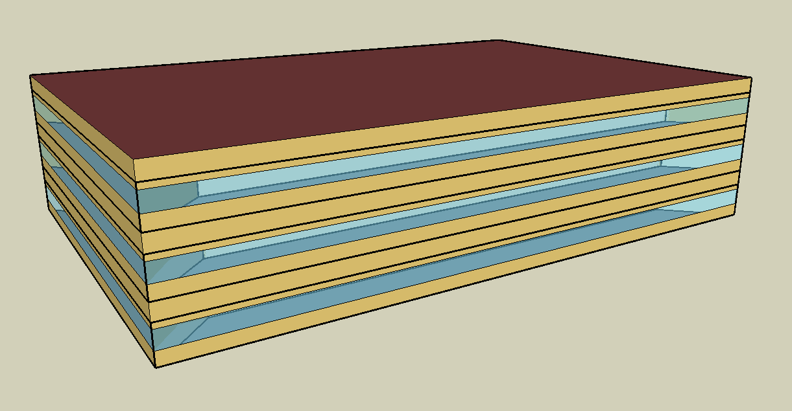
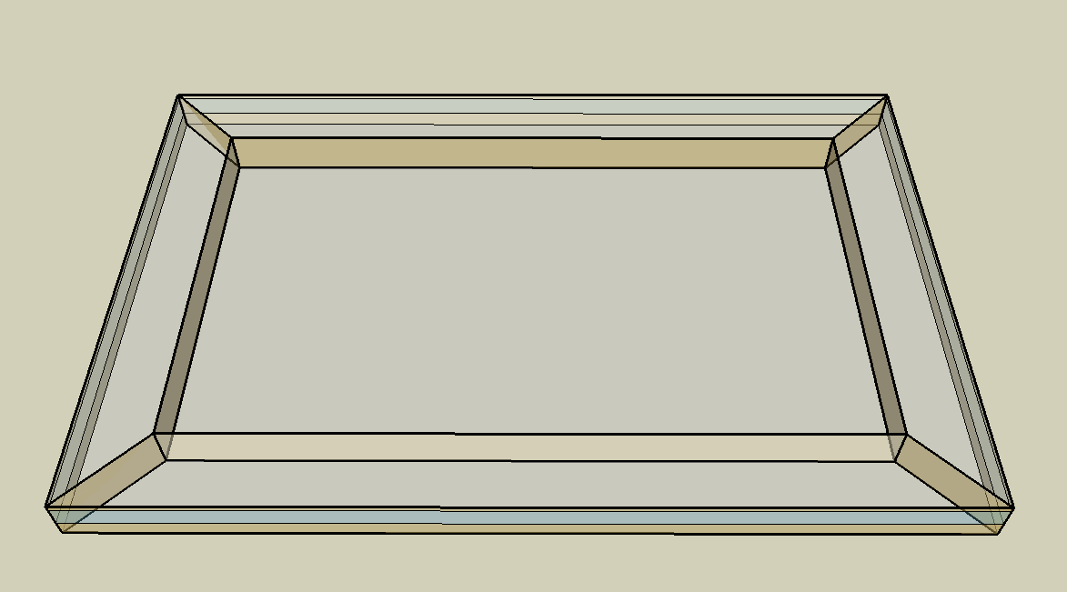
DOE Commercial Building Benchmark - Medium Office

Electricity
 | Heating | Cooling | Interior Lighting | Exterior Lighting | Interior Equipment | Fans | Pumps
Miami | 15,858.33 | 345,730.56 | 264,338.89 | 77,844.44 | 296,255.56 | 29,280.56 | 75.00
Houston | 68,258.33 | 244,022.22 | 264,338.89 | 77,813.89 | 296,255.56 | 23,561.11 | 75.00
Phoenix | 62,336.11 | 275,666.67 | 264,338.89 | 77,800.00 | 296,255.56 | 30,277.78 | 75.00
Atlanta | 108,008.33 | 158,980.56 | 264,338.89 | 77,786.11 | 296,255.56 | 21,702.78 | 75.00
Los Angeles | 64,258.33 | 125,150.00 | 264,338.89 | 77,727.78 | 296,255.56 | 22,305.56 | 75.00
Las Vegas | 85,680.56 | 207,800.00 | 264,338.89 | 77,708.33 | 296,255.56 | 28,933.33 | 75.00
San Francisco | 89,841.67 | 45,094.44 | 264,338.89 | 77,750.00 | 296,255.56 | 17,780.56 | 75.00
Baltimore | 156,075.00 | 126,166.67 | 264,338.89 | 77,702.78 | 296,255.56 | 20,722.22 | 75.00
Albuquerque | 112,050.00 | 105,050.00 | 264,338.89 | 77,733.33 | 296,255.56 | 25,661.11 | 75.00
Seattle | 177,663.89 | 39,541.67 | 264,338.89 | 77,577.78 | 296,255.56 | 19,622.22 | 75.00
Chicago | 215,697.22 | 86,750.00 | 264,338.89 | 77,716.67 | 296,255.56 | 21,491.67 | 75.00
Boulder | 146,411.11 | 69,297.22 | 264,338.89 | 77,672.22 | 296,255.56 | 22,869.44 | 75.00
Minneapolis | 255,519.44 | 75,663.89 | 264,338.89 | 77,663.89 | 296,255.56 | 22,041.67 | 75.00
Helena | 213,811.11 | 45,050.00 | 264,338.89 | 77,647.22 | 296,255.56 | 21,927.78 | 75.00
Duluth | 316,416.67 | 37,911.11 | 264,338.89 | 77,602.78 | 296,255.56 | 22,716.67 | 75.00
Fairbanks | 549,708.33 | 24,447.22 | 264,338.89 | 77,127.78 | 296,255.56 | 27,138.89 | 75.00

Gas
 | Heating | Water Systems
Miami | 30.00 | 23,290.00
Houston | 16,090.00 | 27,320.00
Phoenix | 1,880.00 | 24,990.00
Atlanta | 49,880.00 | 31,210.00
Los Angeles | 100.00 | 30,470.00
Las Vegas | 6,430.00 | 27,790.00
San Francisco | 3,390.00 | 33,800.00
Baltimore | 121,630.00 | 34,280.00
Albuquerque | 48,700.00 | 33,700.00
Seattle | 28,740.00 | 35,880.00
Chicago | 227,890.00 | 36,970.00
Boulder | 129,820.00 | 36,830.00
Minneapolis | 416,260.00 | 39,290.00
Helena | 253,610.00 | 39,710.00
Duluth | 498,180.00 | 43,120.00
Fairbanks | 1,007,350.00 | 47,760.00

EUI
 | Heating (elec) | Cooling (elec) | Interior Lighting (elec) | Exterior Lighting (elec) | Interior Equipment (elec) | Fans (elec) | Pumps (elec) | Heating (gas) | Water Systems (gas)
Miami | 11.46 | 249.82 | 191.00 | 56.25 | 214.07 | 21.16 | 0.05 | 0.01 | 4.67
Houston | 49.32 | 176.32 | 191.00 | 56.23 | 214.07 | 17.02 | 0.05 | 3.23 | 5.48
Phoenix | 45.04 | 199.19 | 191.00 | 56.22 | 214.07 | 21.88 | 0.05 | 0.38 | 5.02
Atlanta | 78.04 | 114.88 | 191.00 | 56.21 | 214.07 | 15.68 | 0.05 | 10.01 | 6.26
Los Angeles | 46.43 | 90.43 | 191.00 | 56.16 | 214.07 | 16.12 | 0.05 | 0.02 | 6.12
Las Vegas | 61.91 | 150.15 | 191.00 | 56.15 | 214.07 | 20.91 | 0.05 | 1.29 | 5.58
San Francisco | 64.92 | 32.58 | 191.00 | 56.18 | 214.07 | 12.85 | 0.05 | 0.68 | 6.78
Baltimore | 112.78 | 91.16 | 191.00 | 56.15 | 214.07 | 14.97 | 0.05 | 24.41 | 6.88
Albuquerque | 80.96 | 75.91 | 191.00 | 56.17 | 214.07 | 18.54 | 0.05 | 9.77 | 6.76
Seattle | 128.38 | 28.57 | 191.00 | 56.06 | 214.07 | 14.18 | 0.05 | 5.77 | 7.20
Chicago | 155.86 | 62.68 | 191.00 | 56.16 | 214.07 | 15.53 | 0.05 | 45.74 | 7.42
Boulder | 105.79 | 50.07 | 191.00 | 56.12 | 214.07 | 16.52 | 0.05 | 26.06 | 7.39
Minneapolis | 184.63 | 54.67 | 191.00 | 56.12 | 214.07 | 15.93 | 0.05 | 83.55 | 7.89
Helena | 154.49 | 32.55 | 191.00 | 56.11 | 214.07 | 15.84 | 0.05 | 50.90 | 7.97
Duluth | 228.63 | 27.39 | 191.00 | 56.07 | 214.07 | 16.41 | 0.05 | 99.99 | 8.65
Fairbanks | 397.20 | 17.66 | 191.00 | 55.73 | 214.07 | 19.61 | 0.05 | 202.19 | 9.59

Water
Miami
Houston
Phoenix
Atlanta
Los Angeles
Las Vegas
San Francisco
Baltimore
Albuquerque
Seattle
Chicago
Boulder
Minneapolis
Helena
Duluth
Fairbanks

Carbon
 | Total Source Energy (MJ/m2)
Miami | 2,472
Houston | 2,567
Phoenix | 2,307
Atlanta | 2,271
Los Angeles | 1,908
Las Vegas | 2,491
San Francisco | 1,777
Baltimore | 2,467
Albuquerque | 2,131
Seattle | 1,116
Chicago | 2,524
Boulder | 2,139
Minneapolis | 2,562
Helena | 2,373
Duluth | 2,640
Fairbanks | 3,429

LghtSch
Lighting Schedules
 | Weekday | Saturday | Other
 | 0.05 | 0.05 | 0
 | 0.05 | 0.05 | 0
 | 0.05 | 0.05 | 0
 | 0.05 | 0.05 | 0
 | 0.05 | 0.05 | 0
 | 0.1 | 0.05 | 0
 | 0.1 | 0.1 | 0
 | 0.3 | 0.1 | 0
 | 0.9 | 0.5 | 0
 | 0.9 | 0.5 | 0
 | 0.9 | 0.5 | 0
 | 0.9 | 0.5 | 0
 | 0.9 | 0.5 | 0
 | 0.9 | 0.5 | 0
 | 0.9 | 0.15 | 0
 | 0.9 | 0.15 | 0
 | 0.9 | 0.15 | 0
 | 0.7 | 0.05 | 0
 | 0.5 | 0.05 | 0
 | 0.5 | 0.05 | 0
 | 0.3 | 0.05 | 0
 | 0.3 | 0.05 | 0
 | 0.1 | 0.05 | 0
 | 0.05 | 0.05 | 0

EqpSch
Equipment Schedules
 | Weekday | Saturday | Other
 | 0.4 | 0.3 | 0.3
 | 0.4 | 0.3 | 0.3
 | 0.4 | 0.3 | 0.3
 | 0.4 | 0.3 | 0.3
 | 0.4 | 0.3 | 0.3
 | 0.4 | 0.3 | 0.3
 | 0.4 | 0.4 | 0.3
 | 0.4 | 0.4 | 0.3
 | 0.9 | 0.5 | 0.3
 | 0.9 | 0.5 | 0.3
 | 0.9 | 0.5 | 0.3
 | 0.9 | 0.5 | 0.3
 | 0.8 | 0.5 | 0.3
 | 0.9 | 0.5 | 0.3
 | 0.9 | 0.35 | 0.3
 | 0.9 | 0.35 | 0.3
 | 0.9 | 0.35 | 0.3
 | 0.8 | 0.3 | 0.3
 | 0.6 | 0.3 | 0.3
 | 0.6 | 0.3 | 0.3
 | 0.5 | 0.3 | 0.3
 | 0.5 | 0.3 | 0.3
 | 0.4 | 0.3 | 0.3
 | 0.4 | 0.3 | 0.3

OccSch
Occupancy Schedules
 | Weekday | Saturday | Other
 | 0 | 0 | 0
 | 0 | 0 | 0
 | 0 | 0 | 0
 | 0 | 0 | 0
 | 0 | 0 | 0
 | 0 | 0 | 0
 | 0.1 | 0.1 | 0
 | 0.2 | 0.1 | 0
 | 0.95 | 0.5 | 0
 | 0.95 | 0.5 | 0
 | 0.95 | 0.5 | 0
 | 0.95 | 0.5 | 0
 | 0.5 | 0.5 | 0
 | 0.95 | 0.5 | 0
 | 0.95 | 0.1 | 0
 | 0.95 | 0.1 | 0
 | 0.95 | 0.1 | 0
 | 0.7 | 0 | 0
 | 0.4 | 0 | 0
 | 0.4 | 0 | 0
 | 0.1 | 0 | 0
 | 0.1 | 0 | 0
 | 0.05 | 0 | 0
 | 0.05 | 0 | 0

HeatSch
Heating Set Point Schedules
 | Weekday | Saturday | Sat, WinterDesign
 | 0 | 12.8 | 0.05
 | 0 | 12.8 | 0.05
 | 0 | 12.8 | 0.05
 | 0 | 12.8 | 0.05
 | 0 | 12.8 | 0.05
 | 0 | 12.8 | 0.08
 | 0 | 12.8 | 0.07
 | 1 | 12.8 | 0.11
 | 1 | 12.8 | 0.15
 | 1 | 12.8 | 0.21
 | 1 | 12.8 | 0.19
 | 1 | 12.8 | 0.23
 | 1 | 12.8 | 0.2
 | 1 | 12.8 | 0.19
 | 1 | 12.8 | 0.15
 | 1 | 12.8 | 0.13
 | 1 | 12.8 | 0.14
 | 1 | 12.8 | 0.07
 | 0 | 12.8 | 0.07
 | 0 | 12.8 | 0.07
 | 0 | 12.8 | 0.07
 | 0 | 12.8 | 0.09
 | 0 | 12.8 | 0.05
 | 0 | 12.8 | 0.05

CoolSch
Cooling Set Point Schedules
 | Weekday | Saturday | Other
 | 26.7 | 26.7 | 26.7
 | 26.7 | 26.7 | 26.7
 | 26.7 | 26.7 | 26.7
 | 26.7 | 26.7 | 26.7
 | 26.7 | 26.7 | 26.7
 | 26.7 | 26.7 | 26.7
 | 24 | 24 | 26.7
 | 24 | 24 | 26.7
 | 24 | 24 | 26.7
 | 24 | 24 | 26.7
 | 24 | 24 | 26.7
 | 24 | 24 | 26.7
 | 24 | 24 | 26.7
 | 24 | 24 | 26.7
 | 24 | 24 | 26.7
 | 24 | 24 | 26.7
 | 24 | 24 | 26.7
 | 24 | 24 | 26.7
 | 24 | 26.7 | 26.7
 | 24 | 26.7 | 26.7
 | 24 | 26.7 | 26.7
 | 24 | 26.7 | 26.7
 | 26.7 | 26.7 | 26.7
 | 26.7 | 26.7 | 26.7

